Rack_Layout
REAR VIEW |  |  |  |  |  |  |  |  |  |  | REAR VIEW
 | RACK#01 |  |  |  |  |  | RACK#01
 | CS-R42U-600-1200-AR3300 |  |  |  |  |  | CS-R42U-600-1200-AR3300
42 |  |  |  | 42 | ^^^^ Physical ^^^^ | 42 |  |  |  | 42
41 |  |  |  | 41 |  | 41 |  |  |  | 41
40 |  |  |  | 40 |  | 40 |  |  |  | 40
39 |  |  |  | 39 |  | 39 |  |  |  | 39
38 |  |  |  | 38 |  | 38 |  |  |  | 38
37 |  |  |  | 37 |  | 37 |  |  |  | 37
36 |  |  |  | 36 |  | 36 |  |  |  | 36
35 |  |  |  | 35 |  | 35 |  |  |  | 35
34 |  |  |  | 34 |  | 34 |  |  |  | 34
33 |  |  |  | 33 |  | 33 |  |  |  | 33
32 |  |  |  | 32 |  | 32 |  |  |  | 32
31 |  |  |  | 31 |  | 31 |  |  |  | 31
30 |  |  |  | 30 |  | 30 |  |  |  | 30
29 |  |  |  | 29 |  | 29 |  |  |  | 29
28 |  |  |  | 28 |  | 28 |  |  |  | 28
27 | PN 102261800 x3000u26 |  |  | 27 |  | 27 | PN 102261800 UAN |  |  | 27
26 |  |  |  | 26 |  | 26 |  |  |  | 26
25 |  |  |  | 25 |  | 25 |  |  |  | 25
24 | (SH-XSS-200G-64P) x3000u24 |  |  | 24 |  | 24 | (SH-XSS-200G-64P) sw-hsn01 |  |  | 24
23 | CS-XGE40-MLNX-2100-16 sw-smn02 | CS-XGE40-MLNX-2100-16 sw-smn03 |  | 23 |  | 23 | CS-XGE40-MLNX-2100-16 sw-smn02 | CS-XGE40-MLNX-2100-16 sw-smn03 |  | 23
22 | (XC-XGT-48P-DL2) x3000u22 |  |  | 22 |  | 22 | (XC-XGT-48P-DL2) sw-smn01 |  |  | 22
21 |  |  |  | 21 |  | 21 |  |  |  | 21
Gigiabyte Compute
20 | x3000u20L | x3000u20R |  | 20 | ^^^^ Logical ^^^^ | 20 | nid000003 | nid000001 |  | 20
19 | x3000u19L | x3000u19R |  | 19 |  | 19 | nid000004 | nid000002 |  | 19
18 | PN 102261803 x3000u17 |  |  | 18 |  | 18 | PN 102261803 sn03 |  |  | 18
17 |  |  |  | 17 |  | 17 |  |  |  | 17
16 | PN 102261803 x3000u15 |  |  | 16 |  | 16 | PN 102261803 sn02 |  |  | 16
15 |  |  |  | 15 |  | 15 |  |  |  | 15
14 | PN 102261803 x3000u13 |  |  | 14 |  | 14 | PN 102261803 sn01 |  |  | 14
13 |  |  |  | 13 |  | 13 |  |  |  | 13
12 | PN 102261800 x3000u11 |  |  | 12 |  | 12 | PN 102261800 wn03 |  |  | 12
11 |  |  |  | 11 |  | 11 |  |  |  | 11
10 | PN 102261800 x3000u09 |  |  | 10 |  | 10 | PN 102261800 wn02 |  |  | 10
09 |  |  |  | 09 |  | 09 |  |  |  | 09
08 | PN 102261800 x3000u07 |  |  | 08 |  | 08 | PN 102261800 wn01 |  |  | 08
07 |  |  |  | 07 |  | 07 |  |  |  | 07
06 | PN 102261700 x3000u05 |  |  | 06 |  | 06 | PN 102261700 mn03 |  |  | 06
05 |  |  |  | 05 |  | 05 |  |  |  | 05
04 | PN 102261700 x3000u03 |  |  | 04 |  | 04 | PN 102261700 mn02 |  |  | 04
03 |  |  |  | 03 |  | 03 |  |  |  | 03
02 | PN 102261700 x3000u01 |  |  | 02 |  | 02 | PN 102261700 mn01 |  |  | 02
01 |  |  |  | 01 |  | 01 |  |  |  | 01
 | pdu1-0 |  | pdu1-1 |  |  |  | pdu1-0 |  | pdu1-1
 | CS-ST-PDU-208V-3PD-60A-36 |  |  |  |  |  | CS-ST-PDU-208V-3PD-60A-36

Device Diagrams

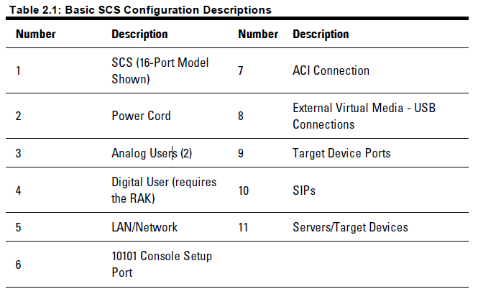
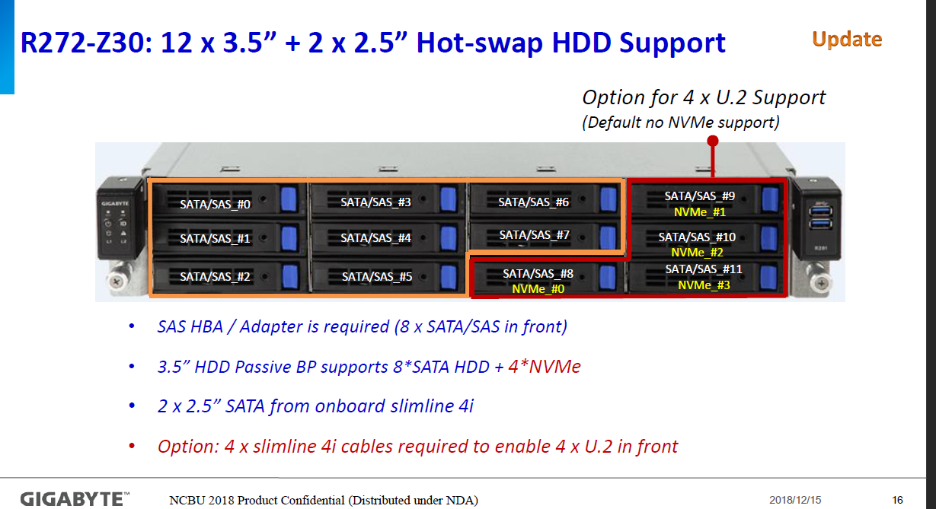
Kubernetes Master Node (MN) SH-SVR-1264-UP (Gigabyte R272-Z30) PN 102261700
 |  |  |  |  |  |  |  |  |  |  |  |  |  |  |  |  |  |  |  |  |  |  |  |  |  |  |  |  |  |  |  |  |  |  |  | SATA/NVME DRIVE POPULATION
 | PS2 |  |  |  |  |  | Rear Drive Slot 0 |  | Rear Drive Slot 1
 |  |  |  |  |  |  |  |  |  |  |  |  |  |  |  |  |  |  |  |  |  |  |  |  |  |  |  |  |  |  |  |  | 40g01 j1 |  |  | PHYSICAL DRIVE SLOT#
 |  |  |  |  |  |  |  |  |  |  |  |  |  |  |  |  |  |  |  |  |  |  |  |  |  |  |  |  |  |  |  |  |  |  |  | 0 |  | 1 |  | 2 | 3 | 4 | 5 | 6 | 7 | 8 | 9 | 10 | 11

 |  |  |  |  |  |  |  |  |  |  |  |  |  |  |  |  |  |  |  |  |  |  |  |  |  |  |  |  |  |  |  |  | 40g02 j2 |  |  |  |  |  |  |  |  |  |  |  |  | SATA SSD 480GB | SATA SSD 480GB | SATA SSD 480GB

 | PS1
 |  |  |  |  |  |  |  |  |  |  |  |  |  |  |  |  |  |  |  |  |  |  |  |  |  |  |  |  |  |  |  |  | 40G
 |  |  |  |  |  |  |  |  |  |  | COM |  |  |  | MGT J3 |  | lan01 j1
 |  |  |  |  |  |  |  |  |  |  |  |  |  |  |  |  |  |  | PCI | 7 |  | 6 |  |  | 5 |  | 4 |  | 3 |  | 2 |  | 1
 |  |  |  |  |  |  |  |  |  |  | Video |  | OCP2.0 Slot G3x16 |  | USB3 |  | lan02 j2 | USB2 |  | Gen4x16 (MESA Riser Slot) |  | Gen4x16 |  |  | Gen4x8 |  | Gen4x16 |  | Gen4x16 |  | Gen3x8 shares b/w slot 1 |  | Gen3x16 runs x8 w/slot 2 in
 |  |  |  |  |  |  |  |  |  |  |  |  |  |  | USB3

Kubernetes Worker Node (WN) SH-SVR-1264-UP (Gigabyte R272-Z30) PN 102261800
 |  |  |  |  |  |  |  |  |  |  |  |  |  |  |  |  |  |  |  |  |  |  |  |  |  |  |  |  |  |  |  |  |  |  |  | SATA/NVME DRIVE POPULATION
 | PS2 |  |  |  |  |  | Rear Drive Slot 0 |  | Rear Drive Slot 1
 |  |  |  |  |  |  |  |  |  |  |  |  |  |  |  |  |  |  |  |  |  |  |  |  |  |  | 100g01 j1 |  | 100g01 j1 |  |  |  | 40g01 j1 |  |  | PHYSICAL DRIVE SLOT#
 |  |  |  |  |  |  |  |  |  |  |  |  |  |  |  |  |  |  |  |  |  |  |  |  |  |  |  |  |  |  |  |  |  |  |  | 0 |  | 1 |  | 2 | 3 | 4 | 5 | 6 | 7 | 8 | 9 | 10 | 11

 |  |  |  |  |  |  |  |  |  |  |  |  |  |  |  |  |  |  |  |  |  |  |  |  |  |  |  |  |  |  |  |  | 40g02 j2 |  |  |  |  |  |  |  |  |  |  |  |  | SATA SSD 480GB | SATA SSD 480GB | SATA SSD 1.92TB

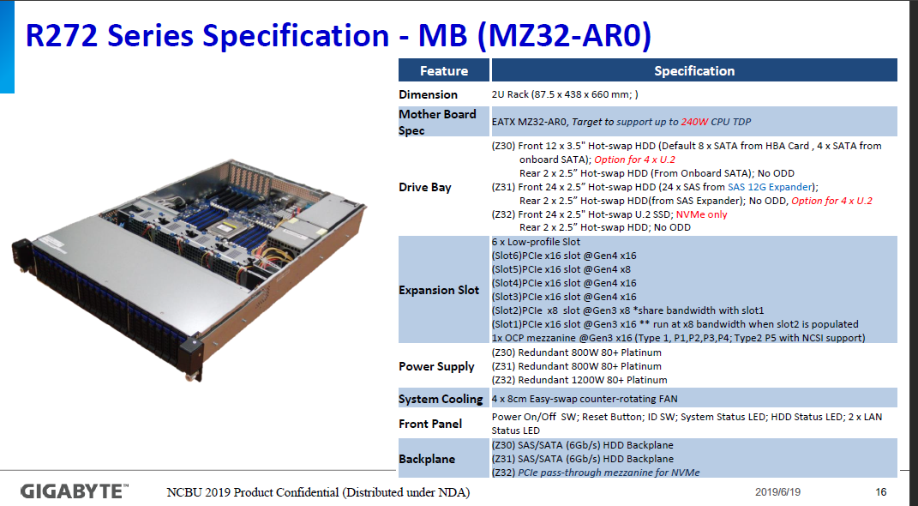
 | PS1
 |  |  |  |  |  |  |  |  |  |  |  |  |  |  |  |  |  |  |  |  |  |  |  |  |  |  | 100G |  | 100G |  |  |  | 40G
 |  |  |  |  |  |  |  |  |  |  | COM |  |  |  | MGT J3 |  | lan01 j1
 |  |  |  |  |  |  |  |  |  |  |  |  |  |  |  |  |  |  | PCI | 7 |  | 6 |  |  | 5 |  | 4 |  | 3 |  | 2 |  | 1
 |  |  |  |  |  |  |  |  |  |  | Video |  | OCP2.0 Slot G3x16 |  | USB3 |  | lan02 j2 | USB2 |  | Gen4x16 (MESA Riser Slot) |  | Gen4x16 |  |  | Gen4x8 |  | Gen4x16 |  | Gen4x16 |  | Gen3x8 shares b/w slot 1 |  | Gen3x16 runs x8 w/slot 2 in
 |  |  |  |  |  |  |  |  |  |  |  |  |  |  | USB3

Kubernetes Storage Node (SN) SH-SVR-1264-UP (Gigabyte R272-Z30) PN 102261803
 |  |  |  |  |  |  |  |  |  |  |  |  |  |  |  |  |  |  |  |  |  |  |  |  |  |  |  |  |  |  |  |  |  |  |  | SATA/NVME DRIVE POPULATION
 | PS2 |  |  |  |  |  | Rear Drive Slot 0 |  | Rear Drive Slot 1 |  |  |  |  |  |  |  |  |  |  |  |  |  |  |  | CS-TB-RAID-PCIE-CRA3338
 |  |  |  |  |  |  |  |  |  |  |  |  |  |  |  |  |  |  |  |  |  |  |  |  |  |  |  |  |  |  |  |  | 40g01 j1 |  |  | PHYSICAL DRIVE SLOT#
 |  |  |  |  |  |  |  |  |  |  |  |  |  |  |  |  |  |  |  |  |  |  |  |  |  |  |  |  |  |  |  |  |  |  |  | 0 |  | 1 |  | 2 | 3 | 4 | 5 | 6 | 7 | 8 | 9 | 10 | 11

 |  |  |  |  |  |  |  |  |  |  |  |  |  |  |  |  |  |  |  |  |  |  |  |  |  |  |  |  |  |  |  |  | 40g02 i2 |  |  | SATA SSD 1.92TB |  | SATA SSD 1.92TB |  | SATA SSD 1.92TB | SATA SSD 1.92TB | SATA SSD 1.92TB | SATA SSD 1.92TB | SATA SSD 1.92TB | SATA SSD 1.92TB | SATA SSD 1.92TB | SATA SSD 1.92TB | SATA SSD 1.92TB | SATA SSD 1.92TB

 | PS1 |  |  |  |  |  |  |  |  |  |  |  |  |  |  |  |  |  |  |  |  |  |  |  |  |  |  |  |  |  |  |  |  |  |  | Two Rear DRIVE SLOT#
 |  |  |  |  |  |  |  |  |  |  |  |  |  |  |  |  |  |  |  |  |  |  |  |  |  |  |  |  |  |  |  |  | 40G |  |  | 0 |  | 1
 |  |  |  |  |  |  |  |  |  |  | COM |  |  |  | MGT J3 |  | lan01 j1
 |  |  |  |  |  |  |  |  |  |  |  |  |  |  |  |  |  |  | PCI | 7 |  | 6 |  |  | 5 |  | 4 |  | 3 |  | 2 |  | 1 |  |  | SATA SSD 480GB |  | SATA SSD 480GB
 |  |  |  |  |  |  |  |  |  |  | Video |  | OCP2.0 Slot G3x16 |  | USB3 |  | lan02 j2 | USB2 |  | Gen4x16 (MESA Riser Slot) |  | Gen4x16 |  |  | Gen4x8 |  | Gen4x16 |  | Gen4x16 |  | Gen3x8 shares b/w slot 1 |  | Gen3x16 runs x8 w/slot 2 in
 |  |  |  |  |  |  |  |  |  |  |  |  |  |  | USB3

Login Node (LN) SH-SVR-1264-UP (Gigabyte R272-Z30) PN 102261801
 |  |  |  |  |  |  |  |  |  |  |  |  |  |  |  |  |  |  |  |  |  |  |  |  |  |  |  |  |  |  |  |  |  |  |  | SATA/NVME DRIVE POPULATION
 | PS2 |  |  |  |  |  | Rear Drive Slot 0 |  | Rear Drive Slot 1
 |  |  |  |  |  |  |  |  |  |  |  |  |  |  |  |  |  |  |  |  |  |  |  |  |  |  | 100g01 j1 |  | 100g01 j1 |  |  |  | 40g01 j1 |  |  | PHYSICAL DRIVE SLOT#
 |  |  |  |  |  |  |  |  |  |  |  |  |  |  |  |  |  |  |  |  |  |  |  |  |  |  |  |  |  |  |  |  |  |  |  | 0 |  | 1 |  | 2 | 3 | 4 | 5 | 6 | 7 | 8 | 9 | 10 | 11

 |  |  |  |  |  |  |  |  |  |  |  |  |  |  |  |  |  |  |  |  |  |  |  |  |  |  |  |  |  |  |  |  | 40g02 j2 |  |  |  |  |  |  |  |  |  |  |  |  | SATA SSD 480GB | SATA SSD 480GB

 | PS1
 |  |  |  |  |  |  |  |  |  |  |  |  |  |  |  |  |  |  |  |  |  |  |  |  |  |  | 100G |  | 100G |  |  |  | 40G
 |  |  |  |  |  |  |  |  |  |  | COM |  |  |  | MGT J3 |  | lan01 j1
 |  |  |  |  |  |  |  |  |  |  |  |  |  |  |  |  |  |  | PCI | 7 |  | 6 |  |  | 5 |  | 4 |  | 3 |  | 2 |  | 1
 |  |  |  |  |  |  |  |  |  |  | Video |  | OCP2.0 Slot G3x16 |  | USB3 |  | lan02 j2 | USB2 |  | Gen4x16 (MESA Riser Slot) |  | Gen4x16 |  |  | Gen4x8 |  | Gen4x16 |  | Gen4x16 |  | Gen3x8 shares b/w slot 1 |  | Gen3x16 runs x8 w/slot 2 in
 |  |  |  |  |  |  |  |  |  |  |  |  |  |  | USB3

CN (SH-SVR-3264) ( Gigabyte H262-Z61) PN
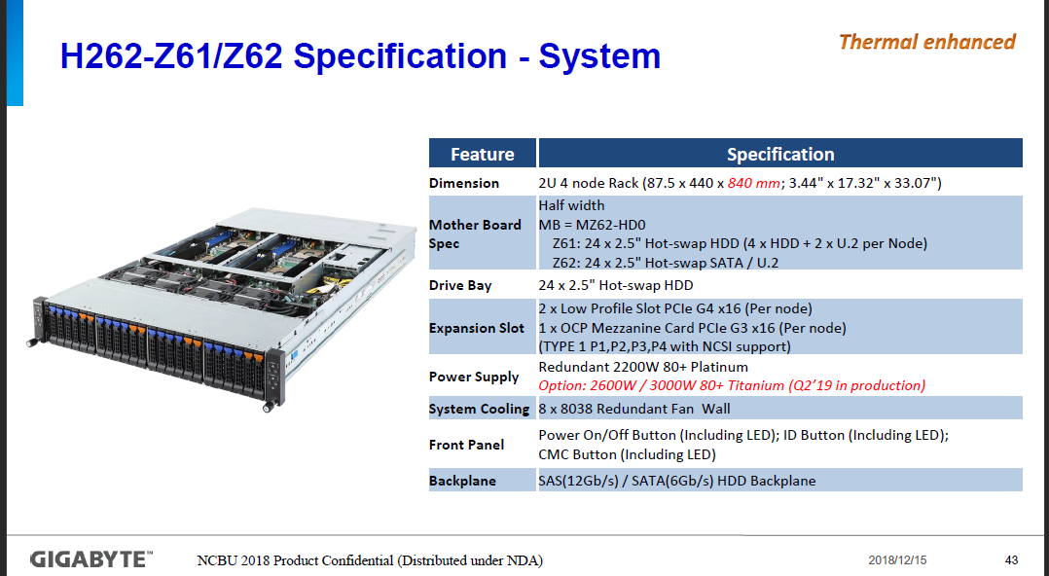
 | Compute Nodes - cn-xxxx
 | CS-MLNX-N3GE100-C5-1P
 | Riser Slot 01 (Gen4-x16) |  |  |  | 100g01 j1 |  |  |  |  |  | Empty

 |  | USB 3.0 x2 |  | OCP Mezzanine Card Slot |  |  |  |  |  | VGA |  |  | lan02 j2 | lan01 j1 |  | MGMT j3

 | Front View
 |  |  |  | Node 1 - Drive Slot 00 |  | Node 1 - Drive Slot 01 | Node 1 - Drive Slot 02 |  | Node 1 - Drive Slot 03 |  | Node 1 - Drive Slot 04 |  | Node 1 - Drive Slot 05 | Node 2 - Drive Slot 00 | Node 2 - Drive Slot 01 |  | Node 2 - Drive Slot 02 | Node 2 - Drive Slot 03 | Node 2 - Drive Slot 04 | Node 2 - Drive Slot 05 | Node 3 - Drive Slot 00 |  | Node 3 - Drive Slot 01 |  | Node 3 - Drive Slot 02 | Node 3 - Drive Slot 03 |  | Node 3 - Drive Slot 04 | Node 3 - Drive Slot 05 | Node 4 - Drive Slot 00 |  | Node 4 - Drive Slot 01 | Node 4 - Drive Slot 02 | Node 4 - Drive Slot 03 | Node 4 - Drive Slot 04 |  | Node 4 - Drive Slot 05
 | Node 1 |  |  |  |  |  |  |  |  |  |  |  |  |  |  |  |  |  |  |  |  |  |  |  |  |  |  |  |  |  |  |  |  |  |  |  |  |  | Node 3

 | Node 2 |  |  |  |  |  |  |  |  |  |  |  |  |  |  |  |  |  |  |  |  |  |  |  |  |  |  |  |  |  |  |  |  |  |  |  |  |  | Node 4

 |  |  |  | Node 1 Drive Bays |  |  |  |  |  |  |  |  |  | Node 2 Drive Bays |  |  |  |  |  |  | Node 3 Drive Bays |  |  |  |  |  |  |  |  | Node 4 Drive Bays

 |  |  |  | Rear View |  |  |  | SH-SVR-3264
 |  |  | Node Layout Diagram |  | PSU 02 (C19 Plug Required) |  |  |  | Node 3 |  |  |  |  |  |  |  |  |  |  |  |  |  |  | Node 1

 |  |  | CMC LAN Ports |  | PSU 01 (C19 Plug Required) |  |  |  | Node 4 |  |  |  |  |  |  |  |  |  |  |  |  |  |  | Node 2

 |  |  |  |  |  |  |  |  |  | XC-XGT-48P-DL2 Ethernet switch (Dell S4048-ON)

 |  |  |  |  |  |  |  |  |  |  |  | XC-XGE-48P-DL2 Ethernet switch (Dell S3048-ON)

 |  |  |  |  |  |  |  |  | CS-XGE40-MLNX-2100-16

 |  | Cray Slingshot Switches

 |  | SH-XSS-200G-64P |  |  |  |  |  |  |  | SLINGSHOT 200G 64 PORTS SWITCH, POWER-SIDE TO PORT-SIDE AIRFLOW
 |  | SH-XSS-200G-64P-R |  |  |  |  |  |  |  | SLINGSHOT 200G 64 PORTS SWITCH, PORT-SIDE TO POWER-SIDE AIRFLOW

 |  | Columbia TOR (Frontside View)

 |  |  |  |  |  |  |  |  |  |  |  |  | CS-KVM-8P
 |  |  |  |  |  |  |  |  |  |  |  |  | Note this KVM requires the following parts be added: 1) A 1G cable to the Management network to access it. (Number 5 below) 2) A Dell Interface Module/Dongle (PN 101980100 )to connect to the USB/VGA port on the server.(Number 10 below) 3) A 1G cable from above dongle to KVM switch. (Number 9 below) 4) A C13-C14 Power cord ( Number 2 below)

NMN
VLAN 2
VLAN 3
VLAN 4
Production style connections
in the future
MTN 0
MTN 1
MTN 2
MTN 3
MTN 3
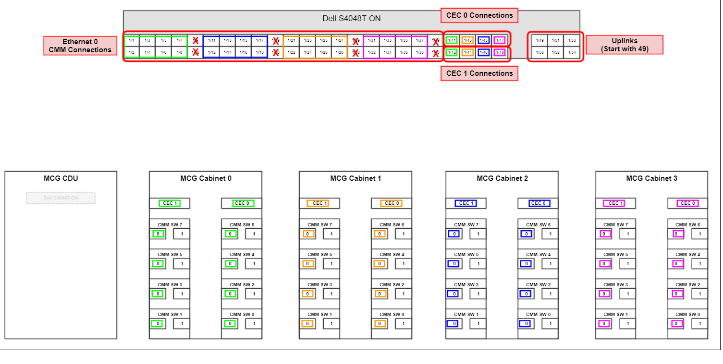
Ethernet Operational Network

Cable Requirement
 | Desc. | Mkt Code |  | Part No. | Qty
1 | ETH-7FT-BLUE | CS-KGE-PAND-STP-PL-002M1 |  | 100982102 | 13
 | ETH-7FT-WHITE | NA |  | 080-00127J | 0
2 | ETH-10FT-BLUE | NA |  | 080-00095H | 0
3 | ETH-3FT-BLUE | NA |  | 100982100 | 0
 |  |  |  | Total= | 13

Ethernet Routing Table
 |  | Label Info (2 lines)
 | Source | Source | Destination | Destination | Description | Part Number | Source | Rack | Location | Slot | Port | Destination | Rack | Location | Port
 | mn01 | x3000u01-j1 |  | Cray Site Connect |  |  | mn01 | x3000 | u01 | onboard | 1 | Cray Site Connect | SITE | SITE | 0
 | mn02 | x3000u03-j1 | x3000u22-j3 | sw-leaf-bmc-001 | ETH-7FT-BLUE | 100982102 | mn02 | x3000 | u03 | onboard | 1 | sw-leaf-bmc-001 | x3000 | u22 | 3
 | mn03 | x3000u05-j1 | x3000u22-j4 | sw-leaf-bmc-001 | ETH-7FT-BLUE | 100982102 | mn03 | x3000 | u05 | onboard | 1 | sw-leaf-bmc-001 | x3000 | u22 | 4
 | wn01 | x3000u07-j1 | x3000u22-j2 | sw-leaf-bmc-001 | ETH-7FT-BLUE | 100982102 | wn01 | x3000 | u07 | onboard | 1 | sw-leaf-bmc-001 | x3000 | u22 | 2
 | wn02 | x3000u09-j1 | x3000u22-j5 | sw-leaf-bmc-001 | ETH-7FT-BLUE | 100982102 | wn02 | x3000 | u09 | onboard | 1 | sw-leaf-bmc-001 | x3000 | u22 | 5
 | wn03 | x3000u11-j1 | x3000u22-j6 | sw-leaf-bmc-001 | ETH-7FT-BLUE | 100982102 | wn03 | x3000 | u11 | onboard | 1 | sw-leaf-bmc-001 | x3000 | u22 | 6
 | sn01 | x3000u13-j1 | x3000u22-j7 | sw-leaf-bmc-001 | ETH-7FT-BLUE | 100982102 | sn01 | x3000 | u13 | onboard | 1 | sw-leaf-bmc-001 | x3000 | u22 | 7
 | sn02 | x3000u15-j1 | x3000u22-j8 | sw-leaf-bmc-001 | ETH-7FT-BLUE | 100982102 | sn02 | x3000 | u15 | onboard | 1 | sw-leaf-bmc-001 | x3000 | u22 | 8
 | sn03 | x3000u17-j1 | x3000u22-j9 | sw-leaf-bmc-001 | ETH-7FT-BLUE | 100982102 | sn03 | x3000 | u17 | onboard | 1 | sw-leaf-bmc-001 | x3000 | u22 | 9
 | nid000001 | x3000u20R-j1 | x3000u22-j10 | sw-leaf-bmc-001 | ETH-7FT-BLUE | 100982102 | nid000001 | x3000 | u20R | onboard | 1 | sw-leaf-bmc-001 | x3000 | u22 | 10
 | nid000002 | x3000u19R-j1 | x3000u22-j11 | sw-leaf-bmc-001 | ETH-7FT-BLUE | 100982102 | nid000002 | x3000 | u19R | onboard | 1 | sw-leaf-bmc-001 | x3000 | u22 | 11
 | nid000003 | x3000u20L-j1 | x3000u22-j12 | sw-leaf-bmc-001 | ETH-7FT-BLUE | 100982102 | nid000003 | x3000 | u20L | onboard | 1 | sw-leaf-bmc-001 | x3000 | u22 | 12
 | nid000004 | x3000u19L-j1 | x3000u22-j13 | sw-leaf-bmc-001 | ETH-7FT-BLUE | 100982102 | nid000004 | x3000 | u19L | onboard | 1 | sw-leaf-bmc-001 | x3000 | u22 | 13
 | uan01 | x3000u26-j1 | x3000u22-j15 | sw-leaf-bmc-001 | ETH-7FT-BLUE | 100982102 | uan01 | x3000 | u26 | onboard | 1 | sw-leaf-bmc-001 | x3000 | u22 | 15

PDU
PDU Power Cabling |  |  | Temperature and Humidity Probes get installed two on front side and two on back side. Installed middle top and middle bottom of rack.

Cable Requirement
 | Desc. | Mkt Code |  | Part No. | Qty
1 | C14-C13-1M2 | CS-APC-KPWR-C14-13-1M2 |  | 085-00251A | 4
2 | C14-C13-1M5 | CS-APC-KPWR-C14-13-1M5 |  | 085-00218A | 10
3 | C19-C20-1M0 | N/A |  | 100894300 | 0
 |  |  |  | Total= | 14
PDU Routing Table
 |  | Label Info (2 lines)
 | Source | Source | Destination | Destination | Description | Part Number | ServerTech
Rack1 |  |  |  |  |  |  | CS-ST-PDU-208V-3PD-60A-36
1 | opsw02 | r01u41-p01 | pdu1-0-xy01 | pdu1-0 | C14-C13-1M2 | 085-00251A | CS36CA-DQME2766/Z1 Water Tight 3Phase 50/60A
2 | opsw02 | r01u41-p02 | pdu1-1-xy01 | pdu1-1 | C14-C13-1M2 | 085-00251A
3 | rc02 | r01u40-p01 | pdu1-0-yz01 | pdu1-0 | C14-C13-1M2 | 085-00251A |  | Port Naming
4 | rc02 | r01u40-p02 | pdu1-1-yz01 | pdu1-1 | C14-C13-1M2 | 085-00251A |  | Port | Type
Not Updated
5 | r01u39 | r01u39 | pdu1-0-zx01 | pdu1-0 | C14-C13-1M5 | 085-00218A |  | xy01 | C13
6 | r01u38 | r01u38 | pdu1-1-zx01 | pdu1-1 | C14-C13-1M5 | 085-00218A |  | yz01 | C13
7 | sms01 | r01u36-p01 | pdu1-0-xy02 | pdu1-0 | C14-C13-1M5 | 085-00218A |  | zx01 | C13
8 | sms01 | r01u36-p02 | pdu1-1-xy02 | pdu1-1 | C14-C13-1M5 | 085-00218A |  | xy02 | C13
9 | ssn01 | r01u34-p01 | pdu1-0-yz02 | pdu1-0 | C14-C13-1M5 | 085-00218A |  | yz02 | C13
10 | ssn01 | r01u34-p02 | pdu1-1-yz02 | pdu1-1 | C14-C13-1M5 | 085-00218A |  | zx02 | C13
11 | uan01 | r01u32-p01 | pdu1-0-zx02 | pdu1-0 | C14-C13-1M5 | 085-00218A |  | xy03 | C13
12 | uan01 | r01u32-p02 | pdu1-1-zx02 | pdu1-1 | C14-C13-1M5 | 085-00218A |  | yz03 | C13
13 | gwn01 | r01u30-p01 | pdu1-0-xy03 | pdu1-0 | C14-C13-1M5 | 085-00218A |  | zx03 | C13
14 | gwn01 | r01u30-p02 | pdu1-1-xy03 | pdu1-1 | C14-C13-1M5 | 085-00218A |  | xy04 | C13
 |  |  |  |  |  |  |  | yz04 | C13
 |  |  |  |  |  |  |  | zx04 | C13
 |  |  |  |  |  |  |  | xy05 | C19
 |  |  |  |  |  |  |  | yz05 | C19
 |  |  |  |  |  |  |  | zx05 | C19
 |  |  |  |  |  |  |  | xy06 | C19
 |  |  |  |  |  |  |  | yz06 | C19
 |  |  |  |  |  |  |  | zx06 | C19

 |  |  |  |  |  |  |  | xy07 | C13
 |  |  |  |  |  |  |  | yz07 | C13
 |  |  |  |  |  |  |  | zx07 | C13
 |  |  |  |  |  |  |  | xy08 | C13
 |  |  |  |  |  |  |  | yz08 | C13
 |  |  |  |  |  |  |  | zx08 | C13
 |  |  |  |  |  |  |  | xy09 | C13
 |  |  |  |  |  |  |  | yz09 | C13
 |  |  |  |  |  |  |  | zx09 | C13
 |  |  |  |  |  |  |  | xy10 | C13
 |  |  |  |  |  |  |  | yz10 | C13
 |  |  |  |  |  |  |  | zx10 | C13
 |  |  |  |  |  |  |  | xy11 | C19
 |  |  |  |  |  |  |  | yz11 | C19
 |  |  |  |  |  |  |  | zx11 | C19
 |  |  |  |  |  |  |  | xy12 | C19
 |  |  |  |  |  |  |  | yz12 | C19
 |  |  |  |  |  |  |  | zx12 | C19
 |  |  |  |  |  |  |  | Pigtail

